Using the Model
Welcome to the DAFF Generic Economic Model for Freshwater Ornamental Fish
This tab ("Using the model") provides a background to assist you with undertsanding the model and how it works.
Please take some time to review the instructions below and understand the model interface before navigating to the Interface tab to input your information.

INSTRUCTIONS
Step 1 | Please read over the information and diagrams below.
Step 2 | Navigate to the Interface tab (Tab number 2).
Step 3 | On the Interface tab, you will presented with various options to select & complete (See examples below).
Step 4 | Each block the requires your information/inputs must be completed to ensure the end results are accuarate.
Step 5 | Every effort has been made to provide you with accuarte, industry specific data. The Built-in Assumptions and Production Assumptions tabs provide data that the user can ammend if necessary.
Step 6 | The remaining tabs in the excel sheet will automatically update according to the data selected and inputs used. It is not recommended these sheets are changed.
Step 7 | Consult the Generic Economic Model User Manual for a detailed information & guidelines on the model.

6. Select proposed annual number of fish which calculates number of fish to be sold per month. Impacts the following : Production Assumptions, Financial Indicators & permits required.
THE INTERFACE - PRODUCTION INFO
2. Select your province.
3. Select proposed production system
* NB - Only RAS and Pond can be used. Pond is only for select species (pop up box will appear with more info)
4. Select the target market
* Local or International .
5. Select proposed selling price - Selling price is either calculated as R/fish - Impacts on financials and profits.
1. Select a 'species' - Live bearers/egg broadcasters/mouth brooders/substrate spawners

THE INTERFACE - APPLICANT INFO (TELL US ABOUT YOU)
1. Are you a start-up farmer or existing aquaculture producer?
2. Do you own a farm/access to land?
3. Do you have an investor?
4. Will you be financing it yourself, with a grant or debt/quity loan?
5. If a loan (debt/equity), what debt % will you contribute? *NB - if selecting debt or equity, the % debt is not applicable.
6. Production cycle will automatically change depending on species selected
7. Do you require a tunnel (greenhouse) system?
This section determines what infrastucture you have & influences the capital expenditure required. Financial Info and education/skills level impacts on your level of "risk" which will impact your interest rate calculated.

8. What is your highest level of education?

THE INTERFACE - QUICK FACTS (OBTAIN YOUR RESULTS)
1. Your internal rate of return (IRR) - indicates the investment potential of the proposed project. Ideally should be above 15% but can be project dependant.
2. Profitability Index (PI) - This should be above 1. Indicates what return on investment you will recieve. (ie if the PI is 1,20 then for every R1 spent, you get R1,20 back.
3. Finance required for working capital & capital expenditure.
4. Interest rate is determined by the model based on your risk. profile.
6. Currently no permits required for freshwater ornamental production in South Africa.
7. Indicates how many years it will take before the business is profitable.
8. Indicates how many years it will take for the business to have a positive cash flow.
5. Please select the payback period if applying for a loan. The payback period indicates how many years it will take to repay the loan.
9. Estimated land size will be calculated based on tonnage & production system.
10. Employee numbers determined by model based on tonnage & production system.

THE INTERFACE - QUICK FACTS (SPECIES REQUIREMENTS)

This section provides species specific information. This information is standard and does not require any changes/amendments by the model user.
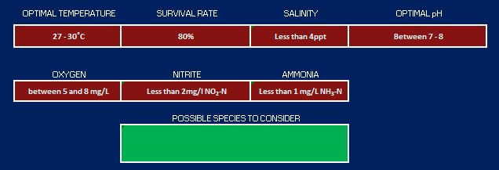
This block will provide potential fish species recommendations based on the fish category selected

Interface

Economic Analysis Model For the R&D aquaculture projects


 | <Please Select a Species> | <Please Select a Location> | <Please select preferred system> | Local Markets | <Please select an appropriate selling price?> | <Select number of fish to produce per annum>
 |  |  | Please ensure you have selected the appropriate system |  | Selling price/fish. Prices will depend on production scales & system selected | Number of Fish (Per annum)

 |  |  |  |  |  | #VALUE!
 |  |  |  |  |  | Number of Fish to sell per month

 | Applicant's Profile

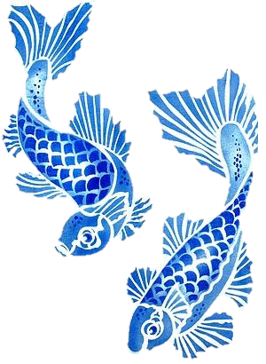
 | OPERATIONAL | FARM | SURETY | FINANCING | PERCENTAGE DEBT
 | <Select Operational Status> | <Do you already have a Farm?> | <Do you already have a investor?> | <Type of financing> | <Select % to be financed through debt>

 | LENGTH OF PRODUCTION | TUNNEL SYSTEM | SKILLS LEVEL
 | 5 Months | <Tunnel System?> | <Please Select a Skills Level>
 | Typical length of production | Only applicable for RAS

 | Quick Facts

 | Financial Aspects

 | INTERNAL RATE OF RETURN | PROFITABILITY INDEX/COST-BENEFIT RATIO | LOAN AMOUNT FOR WORKING CAPITAL | LOAN AMOUNT FOR INFRASTRUCTURE & FACILITY | INTEREST RATE | PAYBACK PERIOD
 | 0% | Please select different system | Please select a different system | Please select different system | 0.00% | <Please select a payback period>

 | Operational Aspects
 | OPERATING PERMITS |  | YEAR UNTIL PROFITABLE | YEAR UNTIL +CASHFLOW | FARM SIZE REQUIRED (ha) | # OF EMPLOYEES REQUIRED IN FIRST YEAR
 | No permits are currently required |  | FALSE | FALSE | 0.0 | Please select a different system

 | Species Requirements


 |  | OPTIMAL TEMPERATURE | SURVIVAL RATE | SALINITY | OPTIMAL pH
 |  | 27 - 30˚C | 80% | Less than 4ppt | Between 7 - 8

 |  | OXYGEN | NITRITE | AMMONIA
 |  | between 5 and 8 mg/L | Less than 2mg/l NO₂-N | Less than 1 mg/L NH₃-N

 |  |  | POSSIBLE SPECIES TO CONSIDER

 |  | *These figures and calculations are based on assumptions, please consult with a professional Aquaculture expert for more assistance and guidance before developing an aquaculture facility.

